Applied Probability-Business
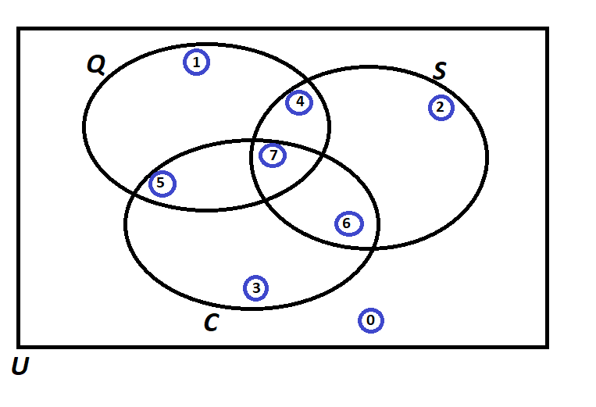
PIP | Quality Score (Q) | Process Days (S) | Project Cost (C) | Event of Interest: | Notation for the Probability of the given event: | Count: | Probability/Percentage
1 | 144 | 10 | 299839 | Event Q: Quality is satisfied if Quality Score > 600 | P(Q) | 19 | 0.38
2 | 302 | 21 | 239108 | Event S: Speed is satisfied if Speed < 11 days | P(S) | 22 | 0.44
3 | 357 | 10 | 222737 | Event C: Cost id satisfied if Cost < $193,000 | P(C) | 20 | 0.40
4 | 726 | 4 | 446830 |  | Notation for the Probability of the given event: | Count: | Probability/Percentage
5 | 468 | 9 | 122586 | P(Score = 0) | P(Q' ∩ S' ∩ C') | 8 | 0.16
6 | 140 | 10 | 394960 | P(Score = 1) | P(Q ∩ S' ∩ C') | 8 | 0.16
7 | 656 | 22 | 366513 | P(Score = 2) | P(Q' ∩ S ∩ C') | 11 | 0.22
8 | 960 | 18 | 55461 | P(Score = 3) | P(Q' ∩ S' ∩ C) | 7 | 0.14
9 | 876 | 8 | 138821 | P(Score = 4) | P(Q ∩ S ∩ C') | 3 | 0.06
10 | 557 | 11 | 442224 | P(Score = 5) | P(Q ∩ S' ∩ C) | 5 | 0.10
11 | 964 | 21 | 186067 | P(Score = 6) | P(Q' ∩ S ∩ C) | 5 | 0.10
12 | 426 | 14 | 217960 | P(Score = 7) | P(Q ∩ S ∩ C) | 3 | 0.06
13 | 233 | 21 | 365636 |  | TOTAL: | 50 | 1.00
14 | 287 | 21 | 66360 |  | Notation for the Probability of the given event: | Count: | Probability/Percentage
15 | 932 | 21 | 181908 | a) Of those who satisfied Speed, what percentage also satisfied Quality? | P(Q|S) | 6 | 0.27 | P(Q|S) | P(Q ∩ S) / P(S)
16 | 697 | 17 | 424914 | b) Of those who satisfied Quality, what percentage also satisfied Cost? | P(C|Q) | 8 | 0.42 | P(C|Q) | P(Q ∩ C) / P(Q)
17 | 921 | 15 | 86095 | c) Of those who satisfied Speed, what percentage also satisfied Quality but did not satisfy the Cost? | P((Q ∩ C')|S) | 3 | 0.14 | P((Q ∩ C')|S) | P(Q ∩ S ∩ C') / P(S)
18 | 485 | 20 | 201084 | d) Of those who satisfied Cost, what percentage also satisfied Quality but did not satisfy theSpeed? | P((Q ∩ S')|C) | 5 | 0.25 | P((Q ∩ S')|C) | P(Q ∩ S' ∩ C) / P(C)
19 | 256 | 8 | 280930 | e) Of those who did not satisfy Cost, what percentage satisfied Quality and Speed? | P((Q ∩ S)|C') | 3 | 0.10 | P((Q ∩ S)|C') | P(Q ∩ S ∩ C') / P(C')
20 | 443 | 10 | 353402 | f) What percentage satisfied exactly one of the three criteria? | P(Q ∩ S' ∩ C') + P(Q' ∩ S ∩ C') + P(Q' ∩ S' ∩ C) | 26 | 0.52 | P(Q ∩ S' ∩ C') + P(Q' ∩ S ∩ C') + P(Q' ∩ S' ∩ C) | P(Q ∩ S' ∩ C') + P(Q' ∩ S ∩ C') + P(Q' ∩ S' ∩ C)
21 | 352 | 11 | 444796 | g) Of those who satisfied at least two of the three criteria, what percentage satisfied exactly two criteria? | (P(Q ∩ S ∩ C') + P(Q ∩ S' ∩ C) + P(Q' ∩ S ∩ C)) / (P(Q ∩ S ∩ C') + P(Q ∩ S' ∩ C) + P(Q' ∩ S ∩ C) + P(Q ∩ S ∩ C)) | 13 | 0.81 | (P(Q ∩ S ∩ C') + P(Q ∩ S' ∩ C) + P(Q' ∩ S ∩ C)) / (P(Q ∩ S ∩ C') + P(Q ∩ S' ∩ C) + P(Q' ∩ S ∩ C) + P(Q ∩ S ∩ C)) | (P(Q ∩ S ∩ C') + P(Q ∩ S' ∩ C) + P(Q' ∩ S ∩ C)) / (P(Q ∩ S ∩ C') + P(Q ∩ S' ∩ C) + P(Q' ∩ S ∩ C) + P(Q ∩ S ∩ C))
22 | 984 | 22 | 389163 | h) Of those who did not satisfy Cost, what percentage satisfied the Quality criterion? | P(Q|C') | 11 | 0.37 | P(Q|C') | P(Q ∩ C') / P(C')
23 | 240 | 4 | 43920
24 | 881 | 5 | 45270 | Formula | Notation | Count | Probability/Percentage
25 | 439 | 20 | 163601 | P(Q') = 1 - P(Q) | P(Q') | 31 | 0.62
26 | 181 | 5 | 430698 | P(S') = 1 - P(S) | P(S') | 28 | 0.56
27 | 924 | 6 | 133006 | P(C') = 1 - P(C) | P(C') | 30 | 0.60
28 | 94 | 14 | 51913 | P(Q ∩ S) = 1 - P(Q' ∪ S') | P(Q ∩ S) | 6 | 0.12
29 | 778 | 22 | 247877 | P(Q ∩ C) = 1 - P(Q' ∪ C') | P(Q ∩ C) | 8 | 0.16
30 | 882 | 22 | 134797 | P(S ∩ C) = 1 - P(S' ∪ C') | P(S ∩ C) | 8 | 0.16
31 | 481 | 14 | 387459 | P(Q ∩ S') = 1 - P(Q' ∪ S) | P(Q ∩ S') | 13 | 0.26
32 | 435 | 7 | 61921 | P(Q ∩ C') = 1 - P(Q' ∪ C) | P(Q ∩ C') | 11 | 0.22
33 | 791 | 17 | 303490 | P(S ∩ C') = 1 - P(S' ∪ C) | P(S ∩ C') | 14 | 0.28
34 | 475 | 5 | 287888 | P(Q' ∩ S) = 1 - P(Q ∪ S') | P(Q' ∩ S) | 16 | 0.32
35 | 450 | 7 | 353156 | P(Q' ∩ C) = 1 - P(Q ∪ C') | P(Q' ∩ C) | 12 | 0.24
36 | 775 | 17 | 426197 | P(S' ∩ C) = 1 - P(S ∪ C') | P(S' ∩ C) | 12 | 0.24
37 | 71 | 4 | 182416 | P(Q' ∩ S') = 1 - P(Q ∪ S) | P(Q' ∩ S') | 15 | 0.30
38 | 932 | 4 | 370909 | P(Q' ∩ C') = 1 - P(Q ∪ C) | P(Q' ∩ C') | 19 | 0.38
39 | 634 | 11 | 404660 | P(S' ∩ C') = 1 - P(S ∪ C) | P(S' ∩ C') | 16 | 0.32
40 | 341 | 17 | 92468 | P(Q' ∪ S') = 1 - P(Q ∩ S) | P(Q' ∪ S') | 44 | 0.88
41 | 384 | 9 | 257994 | P(Q' ∪ C') = 1 - P(Q ∩ C) | P(Q' ∪ C') | 42 | 0.84
42 | 642 | 10 | 247462 | P(S' ∪ C') = 1 - P(S ∩ C) | P(S' ∪ C') | 42 | 0.84
43 | 112 | 12 | 343220 | P(Q' ∪ S) = 1 - P(Q ∩ S') | P(Q' ∪ S) | 37 | 0.74
44 | 126 | 17 | 130577 | P(Q' ∪ C) = 1 - P(Q ∩ C') | P(Q' ∪ C) | 39 | 0.78
45 | 247 | 12 | 89963 | P(S' ∪ C) = 1 - P(S ∩ C') | P(S' ∪ C) | 36 | 0.72
46 | 918 | 17 | 311866 | P(Q ∪ S') = 1 - P(Q' ∩ S) | P(Q ∪ S') | 34 | 0.68
47 | 72 | 7 | 441039 | P(Q ∪ C') = 1 - P(Q' ∩ C) | P(Q ∪ C') | 38 | 0.76
48 | 74 | 7 | 243117 | P(S ∪ C') = 1 - P(S' ∩ C) | P(S ∪ C') | 38 | 0.76
49 | 308 | 7 | 34443 | P(Q ∪ S) = 1 - P(Q' ∩ S') | P(Q ∪ S) | 35 | 0.70
50 | 377 | 18 | 132433 | P(Q ∪ C) = 1 - P(Q' ∩ C') | P(Q ∪ C) | 31 | 0.62
 |  |  |  | P(S ∪ C) = 1 - P(S' ∩ C') | P(S ∪ C) | 34 | 0.68

Probability Rules
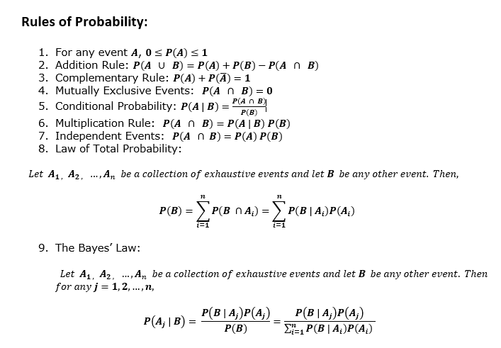
Probability

